French Door Panel Shutter
 |  |  |  |  | T: 951-415-5054
 |  |  |  |  | Email: QualityShadez@yahoo.com

Customer Account Code: |  |  |  |  |  |  |  |  | Job / Order #:
Sidemark: |  |  |  |  |  |  |  |  | Material PolyEnv or WoodEnv: select from Drop down
Order Date:

French Door Panel Shutter Order

Cresent Shape Cut Out
 |  | French Door Panel Shutter Dimensions |  |  |  |  |  |  |  |  | Hinge | Divider Rails |  | Louver | Tilt Rod | Shutter | Additional Instructions and Notes
Number | Room | NET WIDTH ( A ) | NET HEIGHT ( B ) | NET Bottom to Center Cut Out ( C ) | Recessed Plate to fit Handle / Knob base ( D ) | Cut Out Radius (E) ( 4.25" / 5.25" / 6.25" ) | Extension (1/2" or 1") | To Fit Trim by Raising Plate | Frame Type | Cut Out Side ( L or R ) | Std ( S ) Invisible ( I ) | Y / N | Location | Size | Std ( S ) Hidden (H) Invisible (I) | Color
1
2
3
4
5

 |  | Cresent Shape Cut Out |  |  |  |  |  |  |  | Rectangular Shape Cut Out
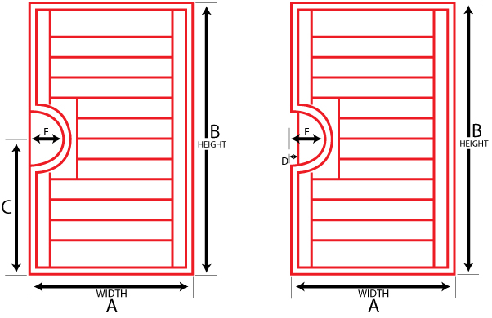
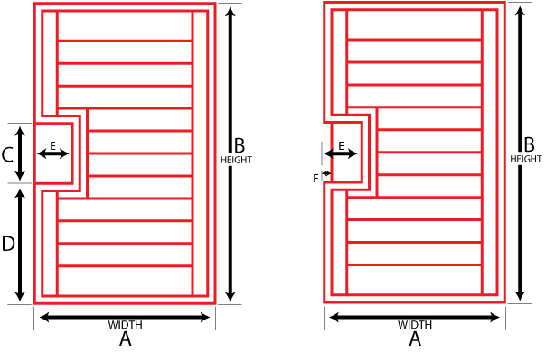

Rectangular Shape Cut Out
 |  | French Door Panel Shutter Dimensions |  |  |  |  |  |  |  |  |  | Hinge | Divider Rails |  | Louver | Tilt Rod | Shutter | Additional Instructions and Notes
Number | Room | NET WIDTH ( A ) | NET HEIGHT ( B ) | Center Cut Out Height ( C ) | Bottom Frame to Bottom Cut Out ( D ) | Cut Out Width ( E ) | Recessed Plate to fit Handle / Knob base ( F ) | Extension (1/2" or 1") | To Fit Trim by Raising Plate | Frame Type | Cut Out Side ( L or R ) | Std (S) Invisible (I) | Y / N | Location | Size | Std (S) Hidden (H) Invisible (I) | Color
1
2
3
4
5

